BILL
Is this a Sale bill or Purchase bill?

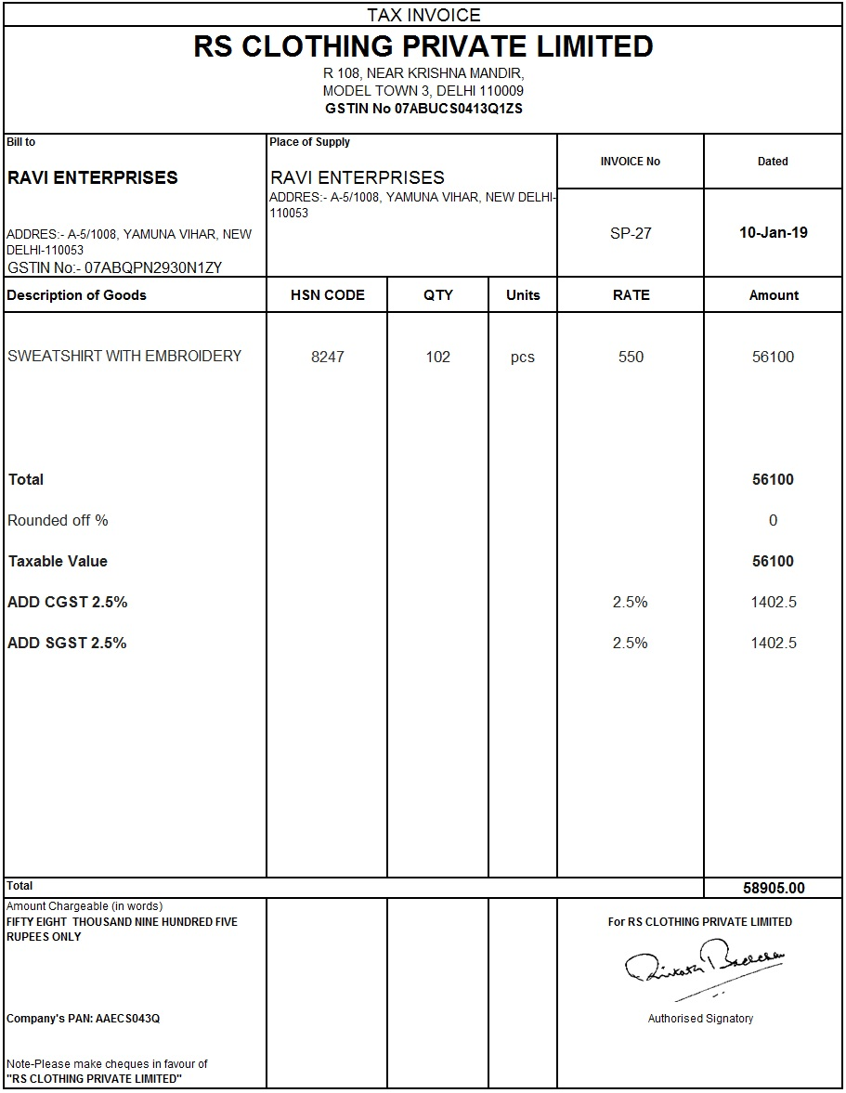

If we are RS Clothing Pvt Ltd. is it output or input GST?

If we are Ravi Enterprises is it output or input GST?

Tax
What type of Tax on Following Sales

PARTICULARS | TAX (BEFORE GST) | NEW TAX (AFTER GST)
SALE OF GOODS BY SHOPKEEPER WITHIN DELHI
SALE OF GOODS BY SHOPKEEPER FROM PUNE TO MUMBAI
SALE OF GOODS FROM DELHI TO MUMBAI
SERVICE PROVIDED BY CA BASED IN KOLKATTA TO LOCAL CUSTOMERS
SERVICE PROVIDED BY CA BASED IN KOLKATTA TO CHENNAI CUSTOMER
SALE BY FACTORY WITHIN DELHI
SALE BY FACTORY FROM DELHI TO GURGAON

BEFORE GST |  |  | After GST
